Main
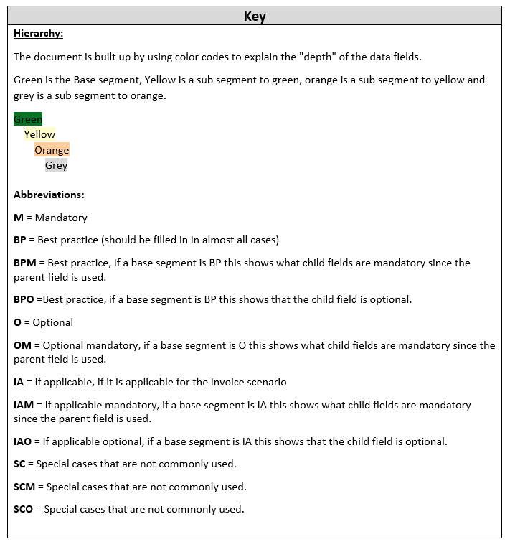
Pagero Universal Format (PUF) Specification Document

